diesel
TRIPACK DIESEL

PHOTO | REFERENCE | MODELE | COULEUR | S | M | L | XL | TOTAL
 | OGAPG | SHAWN TRIPACK | 9 | 937 | 1875 | 1878 | 939 | 5629
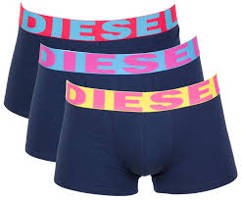 | OGAPG | SHAWN TRIPACK | 6 | 937 | 1876 | 1876 | 937 | 5626
 | OGAPG | SHAWN TRIPACK | 8 | 937 | 1876 | 1876 | 935 | 5624
 | ABAOF | KORY TRIPACK | 9 | 936 | 1875 | 1875 | 935 | 5621
 |  |  |  |  |  |  |  | 22500

